Notes
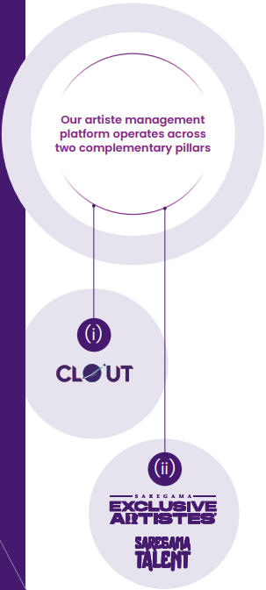
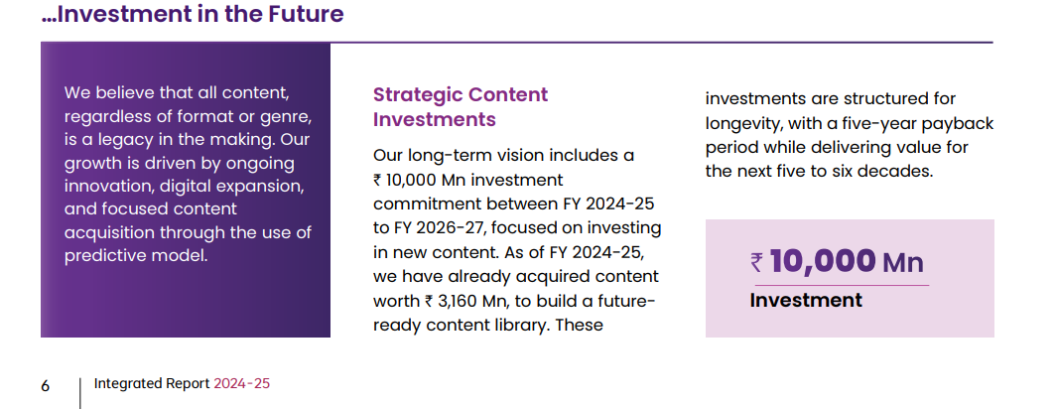
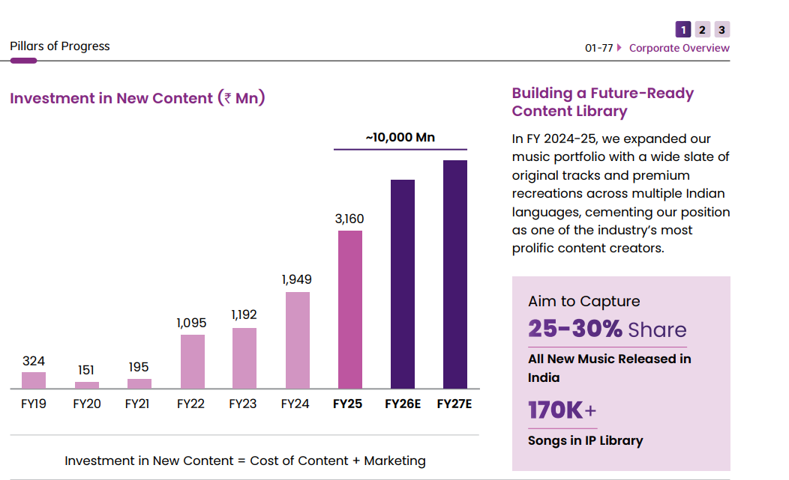
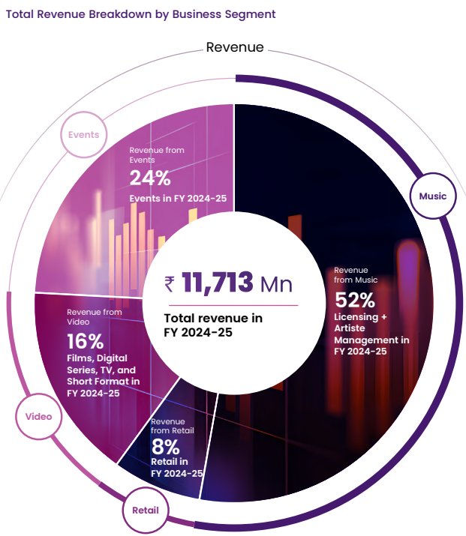
Notes

Artist Management
Clout -
1.artiste and influencer management division of Pocket Aces, has emerged as a leading force in the digital entertainment ecosystem
2.Clout operates on a commission based model during the exclusivity period, ensuring transparency and fostering shared value creation for both talent and partners
3.100% growth since FY 2023-24

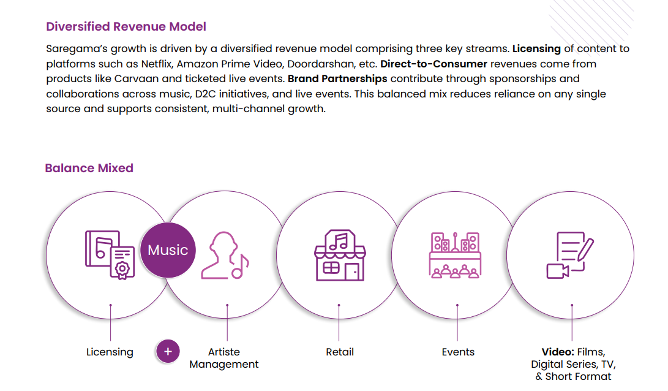
Saregama’s Talent and Exclusive Artiste
1.Dedicated vertical focussed on identifying, nurturing, and scaling emerging musical talents. This initiative showcases new artistes through music releases, offering them a launchpad to reach wider audiences.
2.Under an agreed revenue-sharing model, Saregama earns a percentage of the artiste’s income during the exclusivity period, aligning the Company’s success directly with the artiste’s career growth.
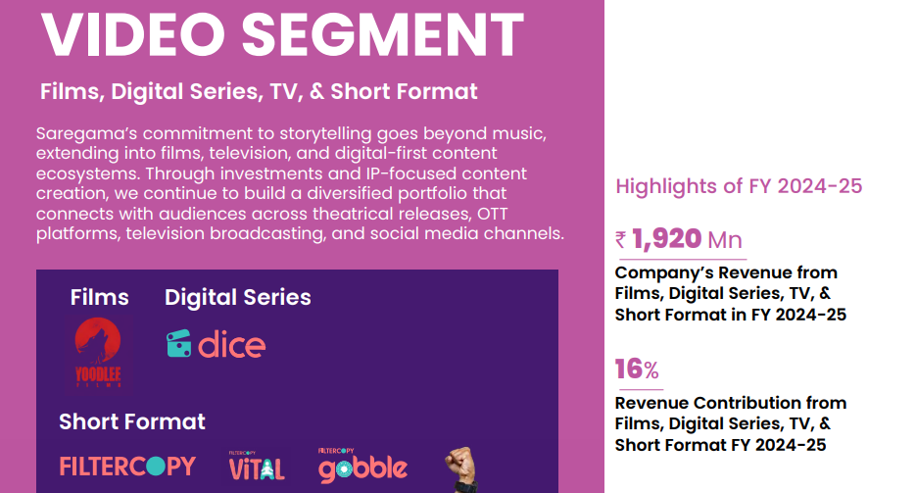
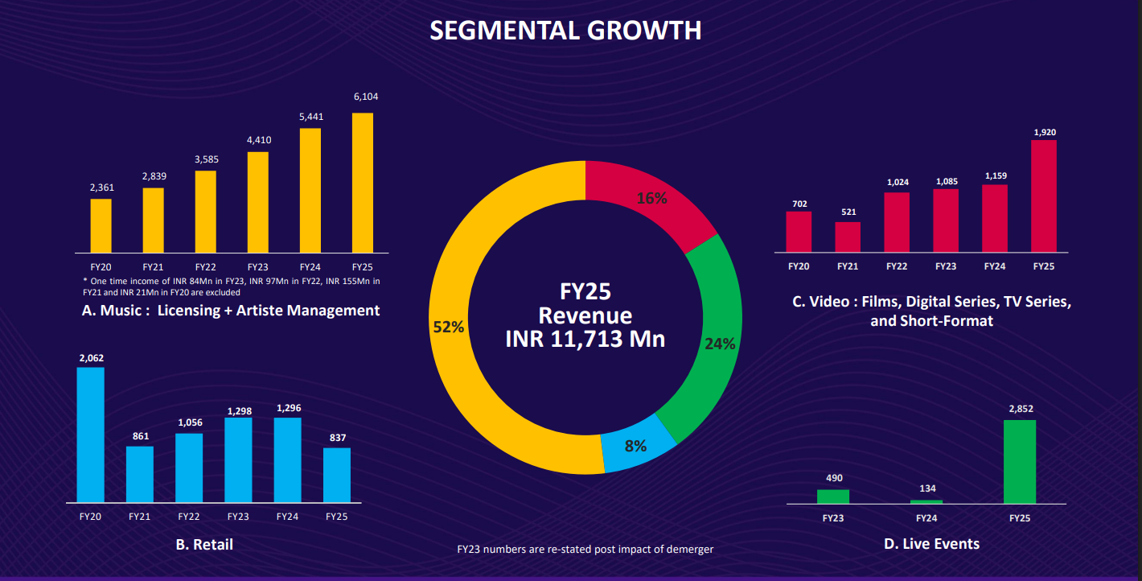
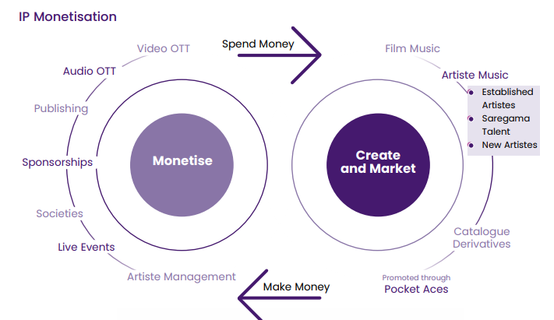

Film - Yodell
1.produces a diverse slate of regionally driven content, expanding Saregama’s footprint across theatrical, digital, and satellite platforms
2.In addition to theatrical revenues, films are licensed to digital platforms and TV channels through fixed-fee, period-based agreements, ensuring upfront revenue while fully retaining IP ownership for future monetisation cycles. This ensures upfront guaranteed revenue while preserving full ownership of IP assets, allowing Saregama to monetise content across multiple life cycles and formats.

Digital Series - Dice

TV-
1.Saregama is a leading TV series content producer with a dominant presence in South Indian language programming, while also maintaining a footprint on National GECs
2. Our primary revenue stream is the sale of commercial time (advertising slots) during TV broadcast. This is complemented by secondary revenues from language remakes, platform licensing, and global syndication.

Short Fomat- Filter Copy
1.Monetisation primarily comes from brand integrations embedded within the content and ad revenue from the hosting platforms.
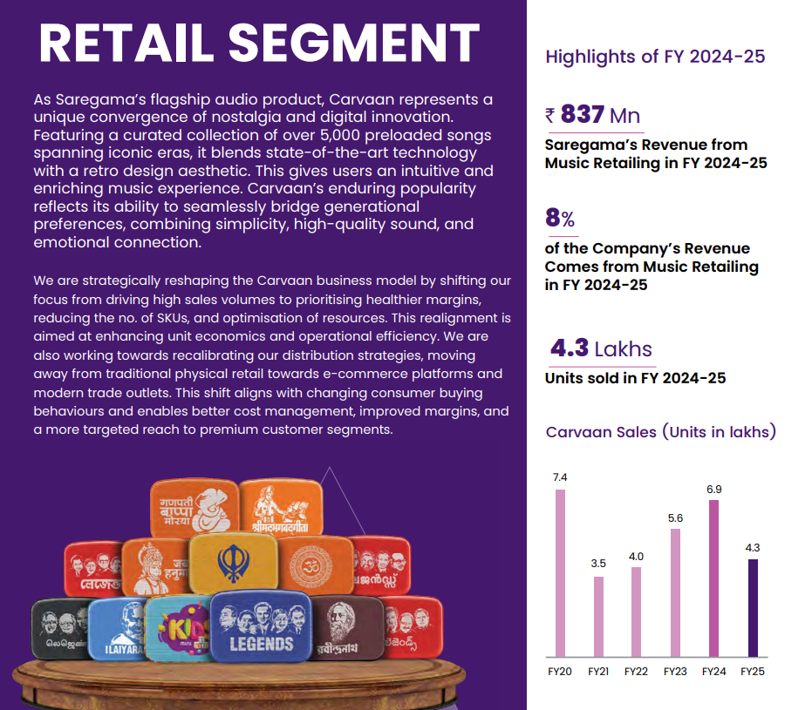
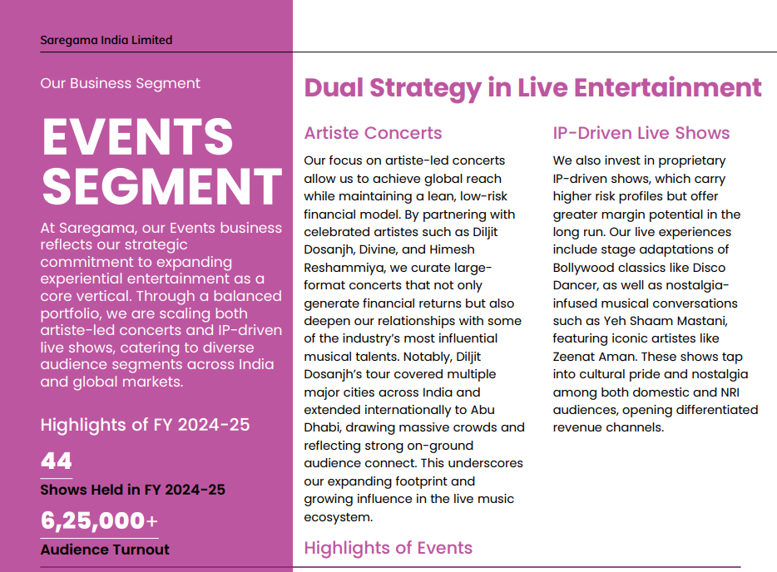

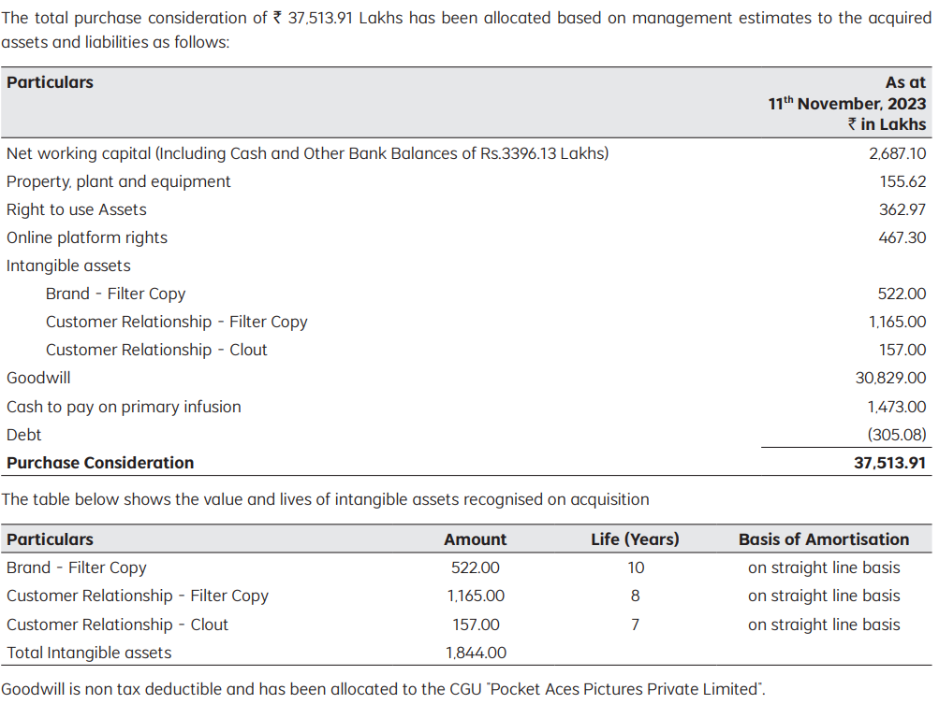
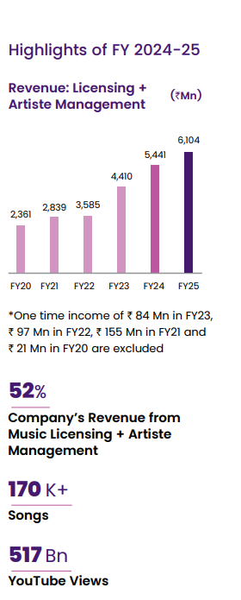

Way forward
More focus on events segment - Our ability to leverage our strong artiste partnerships, curate differentiated experiential formats and drive cross-platform promotion gives us a competitive advantage in this evolving landscape. Our live events strategy is focussed on expanding our presence across Tier 2 and 3 cities, creating culturally resonant IP properties, and exploring international markets with growing Indian diaspora audiences.
Our 10,000 Mn content investment roadmap is already underway with over. 5,250 Mn secured. A five-year payback model ensures long-term monetisation across verticals.

Capital Allocation strategy
Music Segment - We continue to reinvest internal accruals to expand our music IP portfolio, prioritising high-growth opportunities across new genres, languages, and contemporary formats that align with evolving audience preferences.
Retail- Our retail capital allocation strategy remains stable. The current level of investment is sufficient to sustain operations, support brand positioning, and drive selective innovations around the Carvaan platform.
Video Business - The capital deployed in this vertical is carefully aligned with targeted growth initiatives across regional cinema, web series, and direct-to-digital releases.
We consistently allocate surplus funds to safe investment instruments such as bank fixed deposits and secure mutual funds to preserve capital, manage risk, and ensure liquidity.

Inventory turnover ratio is higher due to increase in investment in music content and higher number of digital films under production.
No other Director of the Company other than the Managing Director of the Company received any remuneration other than sitting fees during the FY 2024-25.
Average percentage increase made in the salaries of employees other than the managerial personnel in the FY 2024-25 was 14.79% whereas the increase in the managerial remuneration for the same Financial Year was 19.01%
The Company derives its revenues from the sale of contractually manufactured products; licensing of music rights and income from events, films and television serials

Concall
Feb-26 | 1.we have also taken the impact on account of the new Labour Code of around INR 7 crores, which is a one-time non-cash exceptional item.
 | 2.Overall, our spend for the new content this year will be in the space at INR 275 crores to INR 300 crores.
 | 3.company made a strategic investment in Bhansali Productions through a significant minority ownership, with valuation that is linked to the financial performance of Bhansali Productions over the next 3 years
 | 4.We continue with the guidance of a 5-year payback period for all new music content that we're acquiring. And after that, another 55 to 75 years of returns on the same music
 | 5. Music segment Y-o-Y growth -This year, the number may be closer to 18%, 19%, but next year onwards, we should be back to 21% to 23%
 | 6.We continue with our guidance of 21% to 23% growth in the medium to long term in music segment and an annual adjusted EBITDA guidance of 32% to 33%
 | 7.So, you will have a breakeven year going there. Post that, I am expecting right now that the Pocket Aces part of the business, which is a combination of artist management and some amount of video content should be growing at a 25% CAGR.
 | 8.Over the last 1 year, we have brought down Carvaan dramatically. We are now bringing down films business dramatically, but live events business is going up.
 | 9. So, we are continuing at this juncture with the adjusted EBITDA guidance of 30% to 33%, medium- to long-term guidance for our business at a consolidated level.
 | 10. I want to clarify is our music investment on newer content, we have given a guidance of around INR 1,000 crores over financial year '25, '26 and '27. So we will continue investing, but the increase in the content spend is not going to be so steep as you have seen over these 3 years. It will then start moving at the rate of inflation maybe, which will be anything between 6% to 8% to 10% every year, not this 30% to 40%, at times 50% jump that you have seen over the last 3 years
 | 11.I said this in my opening statement that what we are winding down is our films business, but we will continue with a focus on the video side on short-format content, which goes under FilterCopy and medium-sized content, which goes on as web series or TV series. That part of the business is a stable part of the business, profitable part of the business that will continue
 | 12.Regarding your last point on the majority stake, do we want to go out there and take or not? That's a call Board will be taking at the end of the 3 years. We have the right, not the obligation, to go out there and do that.
 | 13.. If anything, subscription is going to be ensuring as subscription goes up, that the yield per view or a stream is going to go up
 | 14.So around 56% of all the revenue that we have made in financial year '25 actually came from music that was released in 21st century and 44% of the stuff came right now from our older catalogue, which is the 20th century catalogue, Kishore Da, Rafi Sahab, Lata Didi, that kind of a part
 | 15.The industry grows at 6% to 8%. So the older content will continue growing at that particular pace and remaining growth is going to come because of the newer content investments that we people are making.

Nov-25 | 1.We have created a new cell which actually resides within our video team, but that cell is helping us create latest music videos for the older songs that Saregama owns, using the Generative AI video generation tools. As I'm sure all of you guys will know that Saregama doesn't own the video rights of the songs that were released in the 20th century. We only have the audio rights. And to capitalize on the demand for these songs on YouTube,
 | 2.Whenever subscription goes up for the platforms, they share around 50% of whatever they make with music labels, the content owners
 | 3.Artiste management, the new vertical under music monetization, where artistes are made popular through our IP releases, and then we monetize these artistes by booking them for live events, weddings and brand endorsements from which Saregama gets a share
 | 4. And with digital advertising growing at 14% to 15% per annum, we believe both the content these artistes are making, and the artistes themselves are going to be a large beneficiary of this increase in digital advertising spends.
 | 5.We had projected growth rate of 30% at consolidated company level for revenue, excluding Carvaan, between financial year '24 to financial year '27, and we hold on to that number. We also maintain our annual adjusted EBITDA guidance of 32% to 33%.
 | 6.Festive season ends up getting higher advertising on YouTube. And since we get a 55% share of all advertising revenue that comes on our content, so we do get the benefit.
 | 7.When we buy a song, there are 2 rights that pass across to us. One is called the master right or the sound recording right. That's a right of the song. And you are correct. The Copyright Act says that our ownership is there for 60 years from the release of the song. But there is one more second right that also gets transferred across to us, it's called publishing rights. That's a right of the lyrics of the song and the right of the tune of the song. These are separate rights. According to Indian Copyright Act, the lyrics rights stay with us for 60 years from the death of the artist who wrote the song. And composition rights, the tune rights are valid with us for 60 years from the death of the composer. So we still have a very, very long way to go for many of our superhit songs even a song one right would have come outside 60 years, the other rights are still sitting there with us only
 | 8.Yes. See, in our case, things like YouTube revenues are completely dependent on new music releases, they jump there, and you immediately see an impact on it.
 | 9.Unlike the music business, which keeps on growing on a steady basis because songs are being listen on Spotify and YouTube on daily basis. Movies and series you prepare for a period of a few quarters and then you release it in the quarter that it gets released, is where the revenue gets booked.
 | 10.we have given the guidance that at any particular time, total capital invested in video and live will not exceed more than 18% of the capital employed. We are far lower than that

Sep-25 | 1.Let's start with the first vertical, music, which comprises of licensingnand artiste management. This segment grew by 12% on a year-on-year basis. We are confident of achieving 22% to 23% annual growth on a medium-term basis under the music vertical. We have been maintaining that position in the past, and we continue maintaining this position.
 | 2.Overall, our spend for the new content for this year will be somewhere between INR 350 crores to INR 380 crores
 | 3.So sir, we have been stating that we want to get -- acquire 25% to 30% of all new content that comes out. We believe that with this INR 700 crores, we will reach that level. At this moment, we have no intent to increase our market share of new content beyond 30%

May-25 | 1.Our investment on content this year was INR316 crores, which was 62% higher than that of financial year
 | 2.What I can tell you is that if I have a subscription deal going on with their platform, on an average, the platform shares 50% of whatever they make. So if there's a platform X who are making INR100 net in a month, on an average, they will share INR50, what is called as a content pool. This money gets divided equally amongst all the songs into the number of times the songs are heard during the month.
 | 3.Hopefully, we should be upwards of 20% -- on specific segments of their right now, they're all part of the larger Saregama company. Saregama company music business is going to be growing at 23%, while Video business is going to be growing at 25% on a medium-term basis.

